Sheet1
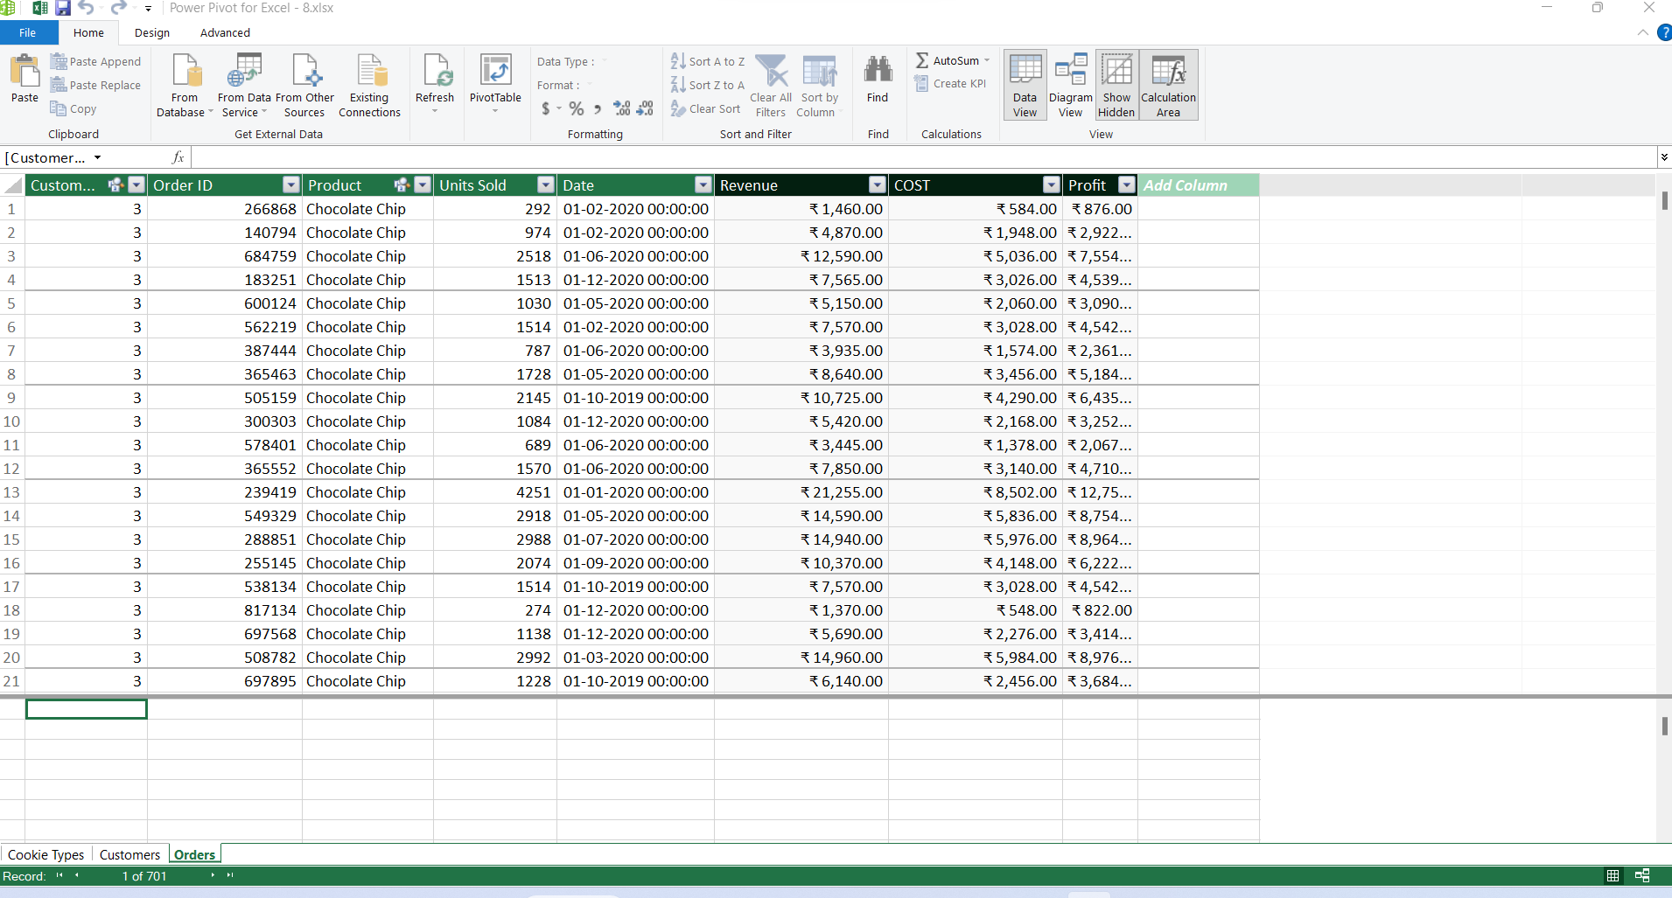
1
Imported click on Power Pivot to view

2
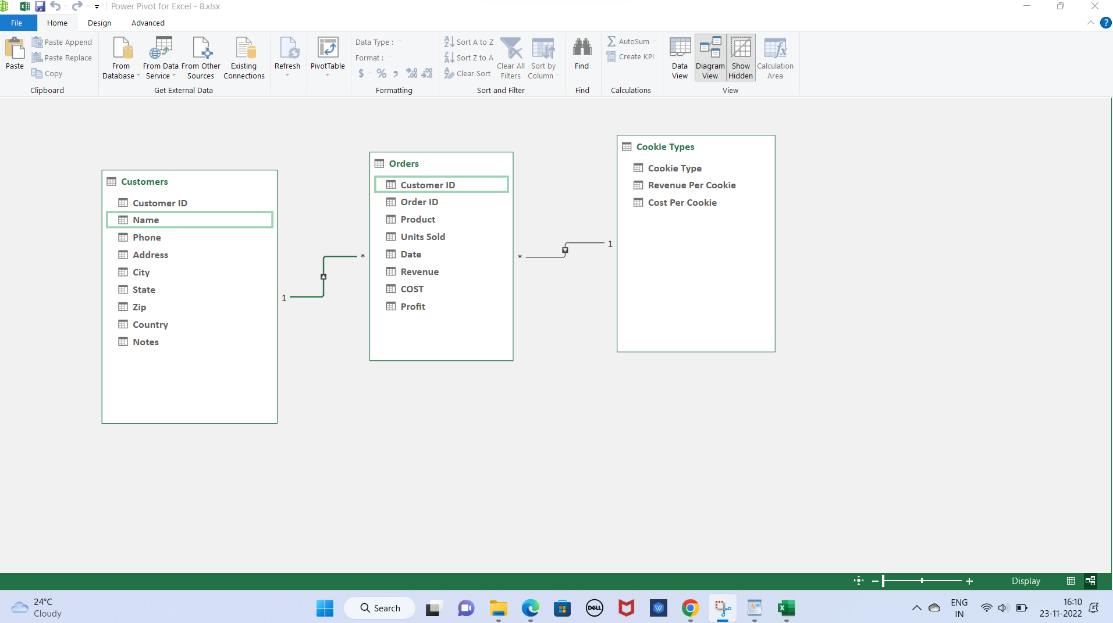

1 & 2 & 3

